E3 data how to locate
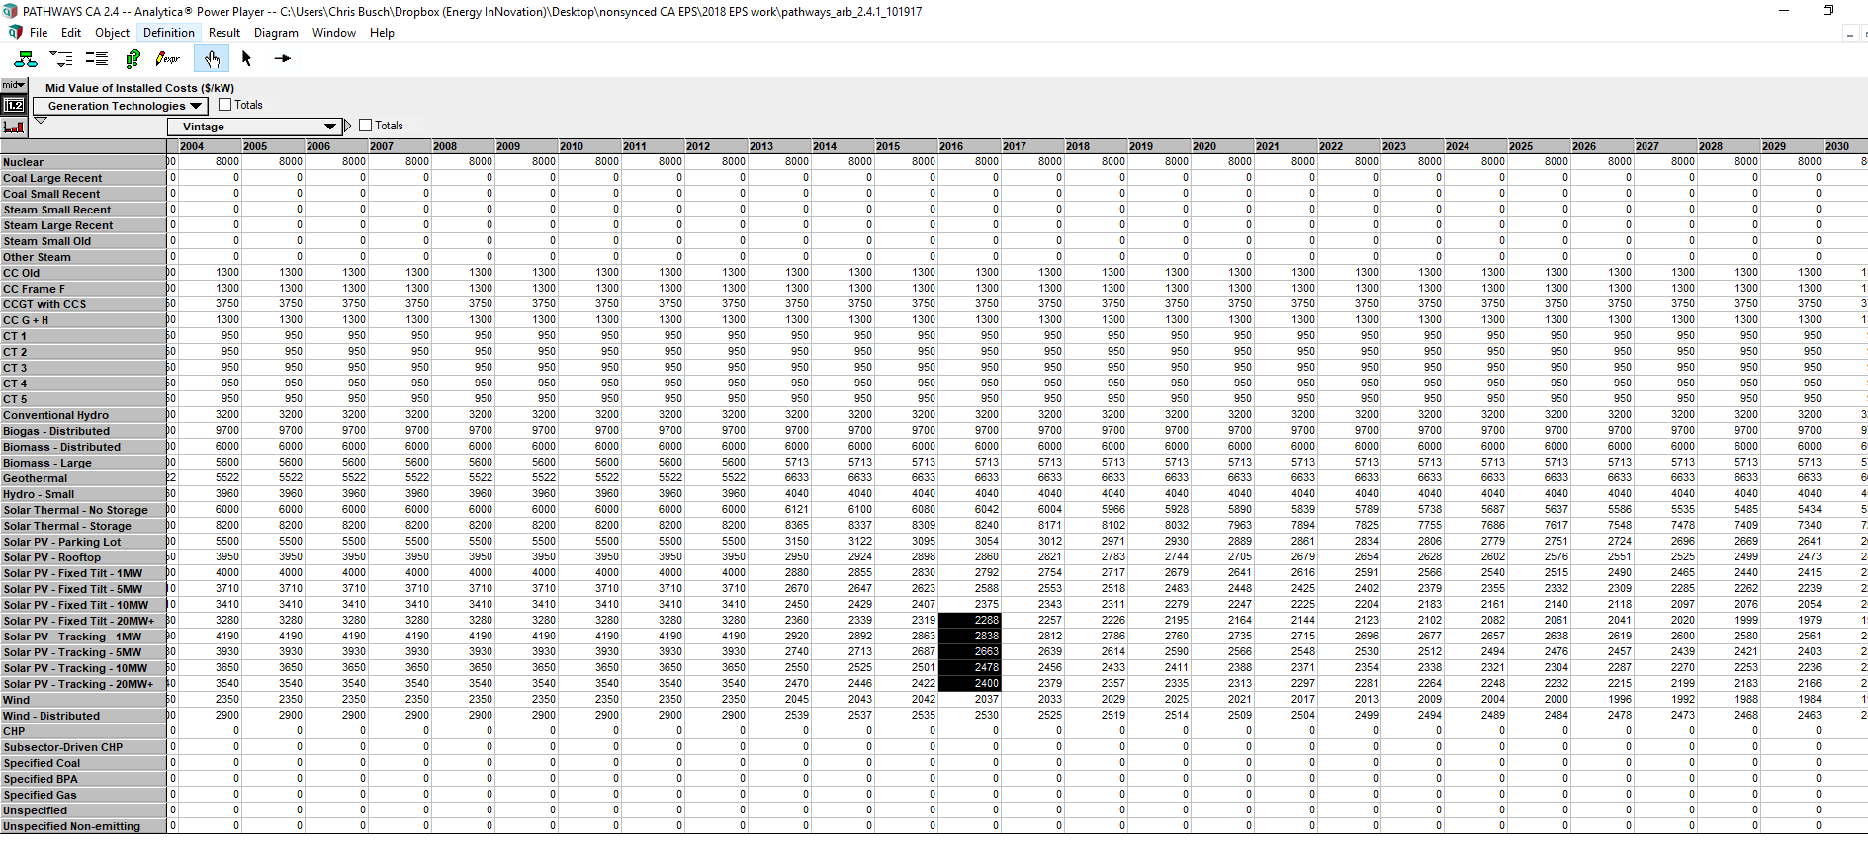
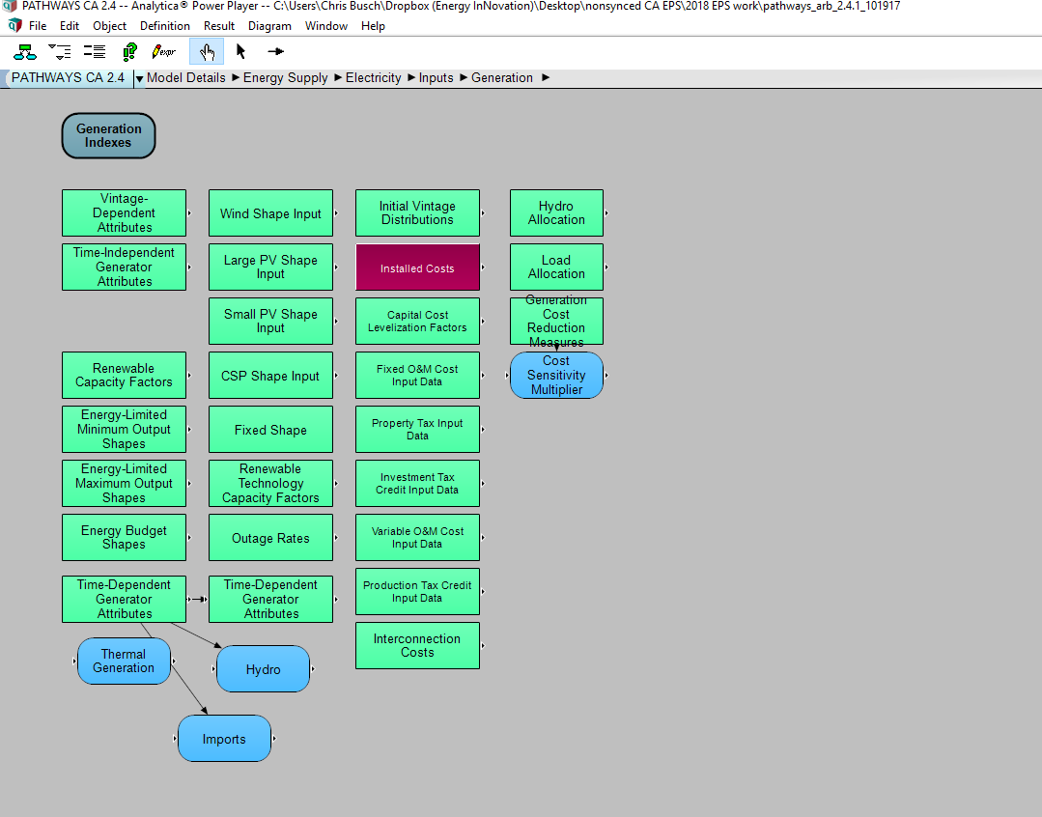
Where to find these data in Pathways model

onshore wind
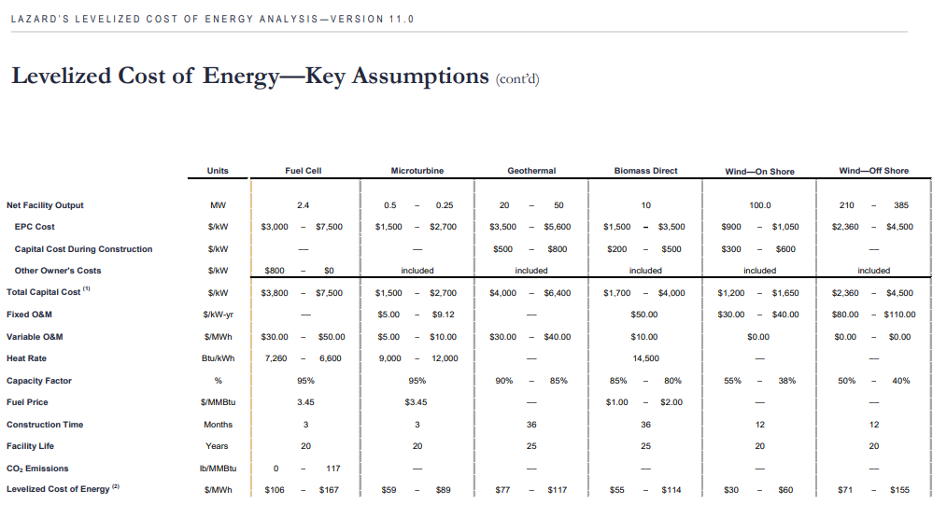
Adjust for price declines in wind using Lazard data, a for solar.

Cautiously chosen from the highest end of the range and further adjusting for higher costs in California.

For capital cost
Nov. 2017 data from Lazard show, for example, a range for kw of solar PV installed of
1200-1650 $/kw

1.65+12% = $1.85 per dollar per Watt installed in 2017 |  | in MW | 1848000
Set starting price to achieve this, taking into account endogenous learning.
Reviewing cost declines due to effects of endogenous learning, no declines in 2017.
Therefore, set 2016 price = 2017 price =

For fixed cost
40 times cost adjustment = | 44.8
by MW for EPS units = | 44800

solar PV
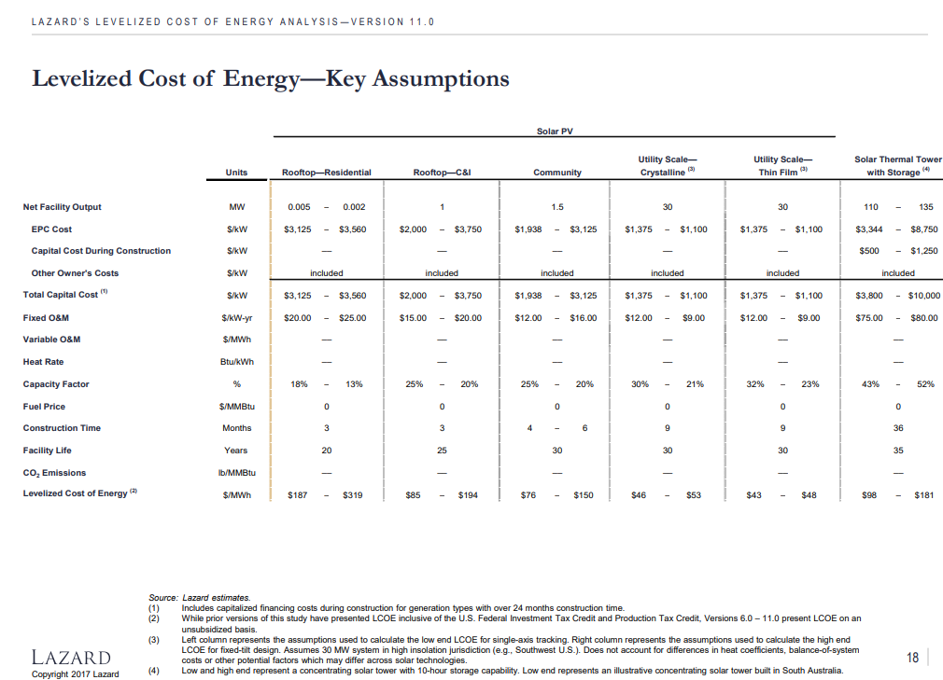
We considered using the E3 value, but if we do, the value does not dropped to what we understand the true value to be until approximately 2043.
Therefore, we substitute with the Lazard value, cautiously chosen from the highest end of the range and further adjusting for higher costs in California.

For capital cost
Nov. 2017 data from Lazard show, for example, a range for kw of solar PV installed of
$1,375 – $1,100 in Lazard

1.375+12% = $1.54 per dollar in 2017
Set starting price to achieve this, taking into account endogenous learning.
Reviewing cost declines due to effects of endogenous learning, no declines in 2017.
Therefore, set 2016 price = 2017 price = |  | 1.54
 |  | 1540000 | per MW
Note LBNL finds: $1.7/WDC for projects
completed in 2016.
and comments:
“Overall price dispersion across the entire sample and across geographic regions decreased significantly in 2016.”
http://eta-publications.lbl.gov/sites/default/files/utility-scale_solar_2016_report.pdf

For fixed cost
12 times cost adjustment = | 13.44
by MW for EPS units = | 13440

recent trends utility scale PV
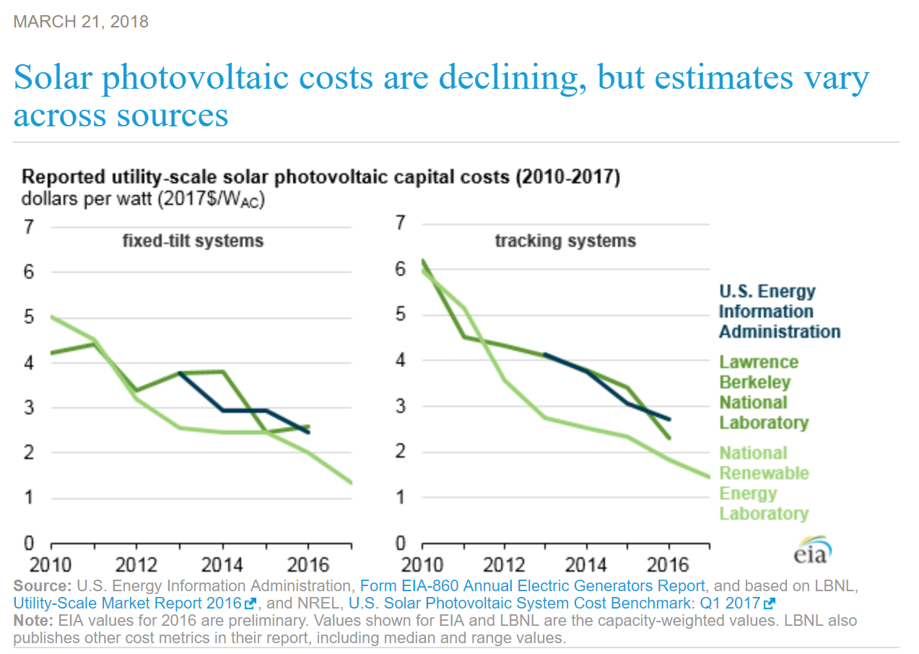

On forecasting prices

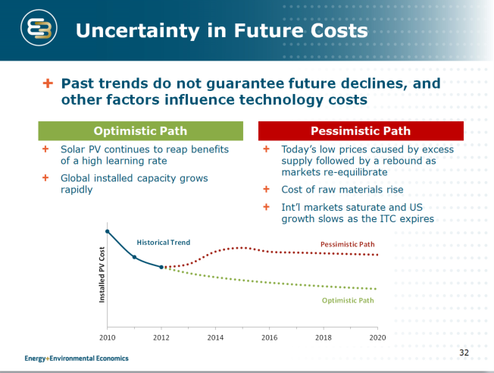
We have sought to align with E3 Pathways data and assumptions as much as possible.
This note provides some insights into how E3 views the challenge of forecasting future prices

